Bunks or Cabinets
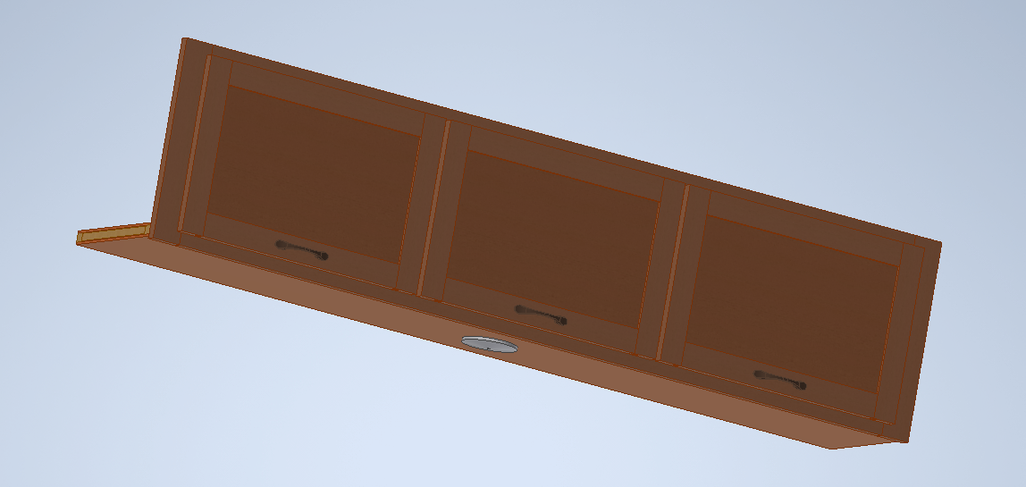

LINE_ROUTER | RTR DESC | PART | DESC | QTY |  | LINE_ROUTER | RTR DESC | PART | DESC | QTY
VXXXXXX | SIDE BUNK OVER SOFA WALNUT | 51105 | BUNK PAD-3X30X71 | 1 |  | VXXXXXX | SIDE CAB OVER SOFA WALNUT | V007623 REV B | CB-FRONT SOFA OVERHEAD | 1
VXXXXXX | SIDE BUNK OVER SOFA WALNUT | 51260 | LIGHT-INT-LED 4.5 IN DOME | 1 |  | VXXXXXX | SIDE CAB OVER SOFA WALNUT | 51260 | LIGHT-INT-LED 4.5 IN DOME | 1
VXXXXXX | SIDE BUNK OVER SOFA WALNUT | 51423 | LATCH-BUNK CATCH | 2
VXXXXXX | SIDE BUNK OVER SOFA WALNUT | 51513 | SWITCHPLATE-BUNK POWER CENTER | 1
VXXXXXX | SIDE BUNK OVER SOFA WALNUT | 51710 | DECAL-BUNK BED 250LBS 4X1.5 | 1
VXXXXXX | SIDE BUNK OVER SOFA WALNUT | 51884 | HINGE- PIANO 1.5X18_NO FINISH | 2
VXXXXXX | SIDE BUNK OVER SOFA WALNUT | 440003-096000 | LUMBER-2X4X96.000 | 1
VXXXXXX | SIDE BUNK OVER SOFA WALNUT | 440008-071500 | LUMBER-1X8X96.000 | 1
VXXXXXX | SIDE BUNK OVER SOFA WALNUT | 440014-4800_09600 | PANELING-WOOD 1/4 LUAN | 1
VXXXXXX | SIDE BUNK OVER SOFA WALNUT | 440033-066250 B | TRIM-FLAT-.31X1.13 | 2
VXXXXXX | SIDE BUNK OVER SOFA WALNUT | 440038-028500 B | TRIM-FLAT-.31X2.13 | 4
VXXXXXX | SIDE BUNK OVER SOFA WALNUT | 440051-2850_07050 B | PANELING-WOOD_WALNUT | 1
VXXXXXX | SIDE BUNK OVER SOFA WALNUT | V007021 | BUNK SUPPORT 2X4 FINISHED | 2
VXXXXXX | SIDE BUNK OVER SOFA WALNUT | V007512 | FRONT BUNK FRAME | 1 | 440002-025500
 |  |  |  |  | 440002-070500

LINE_ROUTER | RTR DESC | PART | DESC | QTY |  | LINE_ROUTER | RTR DESC | PART | DESC | QTY
VXXXXXX | SIDE BUNK OVER SOFA MAPLE | 51105 | BUNK PAD-3X30X71 | 1 |  | VXXXXXX | SIDE CAB OVER SOFA MAPLE | V007623 REV A | CB-FRONT SOFA OVERHEAD | 1
VXXXXXX | SIDE BUNK OVER SOFA MAPLE | 51260 | LIGHT-INT-LED 4.5 IN DOME | 1 |  | VXXXXXX | SIDE CAB OVER SOFA MAPLE | 51260 | LIGHT-INT-LED 4.5 IN DOME | 1
VXXXXXX | SIDE BUNK OVER SOFA MAPLE | 51423 | LATCH-BUNK CATCH | 2
VXXXXXX | SIDE BUNK OVER SOFA MAPLE | 51513 | SWITCHPLATE-BUNK POWER CENTER | 1
VXXXXXX | SIDE BUNK OVER SOFA MAPLE | 51710 | DECAL-BUNK BED 250LBS 4X1.5 | 1
VXXXXXX | SIDE BUNK OVER SOFA MAPLE | 51884 | HINGE- PIANO 1.5X18_NO FINISH | 2
VXXXXXX | SIDE BUNK OVER SOFA MAPLE | 440003-096000 | LUMBER-2X4X96.000 | 1
VXXXXXX | SIDE BUNK OVER SOFA MAPLE | 440008-071500 | LUMBER-1X8X96.000 | 1
VXXXXXX | SIDE BUNK OVER SOFA MAPLE | 440014-4800_09600 | PANELING-WOOD 1/4 LUAN | 1
VXXXXXX | SIDE BUNK OVER SOFA MAPLE | 440033-066250 A | TRIM-FLAT-.31X1.13 | 2
VXXXXXX | SIDE BUNK OVER SOFA MAPLE | 440038-028500 A | TRIM-FLAT-.31X2.13 | 4
VXXXXXX | SIDE BUNK OVER SOFA MAPLE | 440051-2850_07050 A | PANELING-WOOD_WALNUT | 1
VXXXXXX | SIDE BUNK OVER SOFA MAPLE | V007021 | BUNK SUPPORT 2X4 FINISHED | 2
VXXXXXX | SIDE BUNK OVER SOFA MAPLE | V007512 | FRONT BUNK FRAME | 1

